Information

Creator: | Alex J. Eiseman
Website: | https://www.alexjeiseman.com
Version: | 1.00 |  |  |  |  | Find me on:
 |  |  |  |  |  | Goodreads
Hello! |  |  |  |  |  | YouTube
 |  |  |  |  |  | Reddit
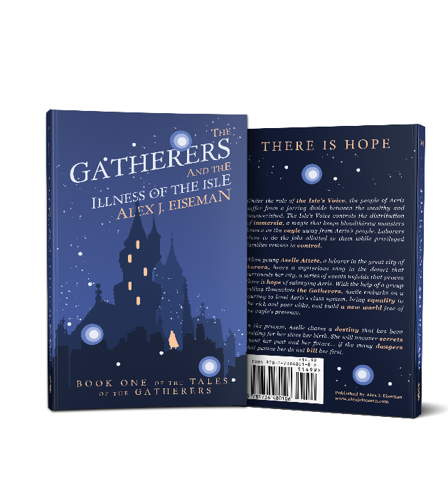
Thank you so much for taking the time to download this project tracker. This is
the very same one I use to track progress on my own novels. Please take some time
to share this with anybody who might be working on the arduous task of finishing
Under the rule of the Isle’s Voice, the people of Aeris suffer from a jarring divide between the wealthy and impoverished. The Isle’s Voice controls the distribution of immersia, a magic that keeps bloodthirsty monsters known as the vayle away from Aeris’s people. Laborers slave to do the jobs allotted to them while privileged families remain in control.
When young Aselle Attete, a laborer in the great city of Aurora, hears a mysterious song in the desert that surrounds her city, a series of events unfolds that proves there is hope of salvaging Aeris. With the help of a group calling themselves the Gatherers, Aselle embarks on a journey to level Aeris’s class system, bring equality to the rich and poor alike, and build a new world free of the vayle’s presence.
In the process, Aselle chases a destiny that has been waiting for her since her birth. Along the way, she will uncover secrets about her past and her future… if the many dangers that pursue her do not kill her first.
a novel (or book of any sort, really).

I believe that any goal, no matter how large and daunting, can be conquered if we
first break it down and divide it into manageable, doable tasks. I have tried this
method and have successfully written two novels this way, and as I release this
version of this tracker, I am on track to complete a third novel. You can do this, too!

If you want more writing tips, please visit my blog:

https://www.alexjeiseman.com/blog

If you're interested in seeing my writing in action, or if you want to contact me,
visit my site's home page, which is linked at the top of this sheet. |  | The Gatherers and the Illness of the Isle
 |  | Available now!
If you're ready to dive in, go ahead and click on the "Home" tab below! Read the comments |  |  | Amazon | iTunes | Audible
in row 2 ("Home" tab) and row 12 ("Project 1" tab), or reach out to me through my website
with any questions. Also, check out row 9 on the "Home" tab and the "Example" tab!

